A.King mm.dd.yyyy
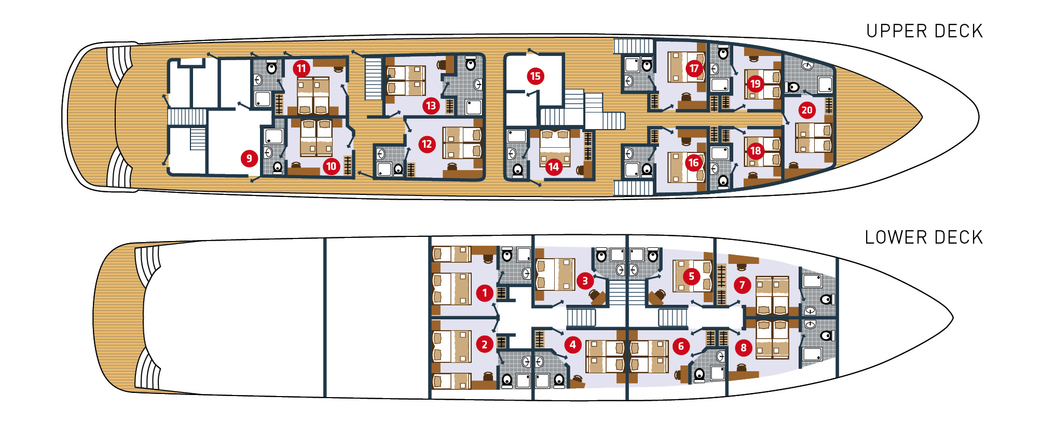
ADRIATIC KING GUEST LIST mm.dd.yyyy | NAMES | EMAIL | PHONE | PASSPORT NUMBER | PASSPORT EXPIRATION DATE | ARRIVAL flight number | ARRIVAL CITY | ARRIVAL DATE | ARRIVAL TIME | DEPARTURE flight number | DEPARTURE CITY | DEPARTURE DATE | DEPARTURE TIME | PRE TOUR | PRE- HOTEL ONLY/NIGHTS | POST TOUR | POST- HOTEL ONLY/NIGHTS | BED (twin/double/single) | Notes/Dietary needs/Special Requests

Cabin 20 Upper Deck Double/Twin

Cabin 19 Upper Deck Double/Twin

Cabin 18 Upper Deck Double/Twin

Cabin 17 Upper Deck Double/Twin

Cabin 16 Upper Deck Double/Twin

Cabin 15 Upper Deck Single | Cruise Manager
Cabin 14 Upper Deck Double/Twin

Cabin 13 Upper Deck Double/Twin

Cabin 12 Upper Deck Double/Twin

Cabin 11 Upper Deck Double/Twin

Cabin 10 Upper Deck Double/Twin

Cabin 9 Upper Deck | Laundry Room

Cabin 8 Lower Deck Double/Twin

Cabin 7 Lower Deck Double/Twin

Cabin 6 Lower Deck Double/Twin

Cabin 5 Lower Deck Double/Twin

Cabin 4 Lower Deck Double/Twin

Cabin 3 Lower Deck Double/Twin

Cabin 2 Lower Deck Double/Twin or Three Twins

Cabin 1 Lower Deck Double/Twin or Three Twins

